Tabelle1
Manfred Müller
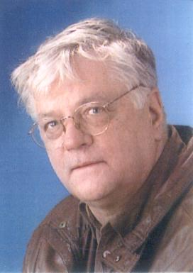
Bild | Bio Manfred Müller is a 70-year-old male residing in the neighborhood of Wilhemsburg, Hamburg. As a retired individual, he has a pension as his source of income, amounting to €1000 per month. Living in Wilhemsburg, he enjoys the proximity to the water and the convenience it offers for transportation.

 | Goals Manfred's primary goal is to use public transportation, specifically the Ferry 76, to commute within Wilhemsburg. He appreciates the scenic route and the ease of travel that the ferry provides. His aim is to stay connected to the community and enjoy the benefits of public transportation, such as meeting fellow residents, exploring nearby areas, and maintaining an active lifestyle.

Demography Age: 70 Work: Pensioner Family: Wife, four children and ten grand children Gender: Male Race: White Income Bracket: 1000€ | Frustrations However, Manfred faces a significant frustration when it comes to the Ferry 76. The ferry's irregular schedule poses a challenge for him as he relies on it for his daily transportation needs. He is unable to access online information about the ferry's timings and updates due to a lack of internet access. Being a retiree, Manfred does not have a personal computer or smartphone, making it difficult for him to stay informed about any changes in the ferry's schedule or potential disruptions.

